RegistrationByPartyDistUSR
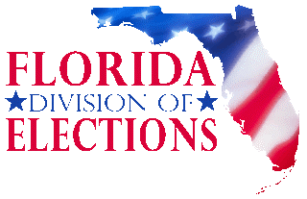
FLORIDA DEPARTMENT OF STATE
DIVISION OF ELECTIONS
2026 Special Primary Election - State House District 87
Active Registered Voters by State House District
Book Closing: December 15, 2025
Statistics Generated: December 22, 2025

County Name | Jurisdiction Number | Republican Party of Florida | Florida Democratic Party | America First Party of Florida | American Solidarity Party of Florida | Boricua Party | Coalition With A Purpose Party | Conservative Party of Florida | Constitution Party of Florida | Ecology Party of Florida | Florida Forward Party | Green Party of Florida | Independent Party of Florida | Jeffersonian Party of Florida | Libertarian Party of Florida | MGTOW | Party for Socialism & Liberation - Florida | Reform Party | No Party Affiliation | TOTAL | Precincts
Palm Beach | 90 | 47,984 | 32,408 | 71 | 56 | 33 | 49 | 296 | 129 | 31 | 6 | 67 | 3,711 | 0 | 284 | 0 | 9 | 0 | 30,773 | 115,907 | 151
Total |  | 47,984 | 32,408 | 71 | 56 | 33 | 49 | 296 | 129 | 31 | 6 | 67 | 3,711 | 0 | 284 | 0 | 9 | 0 | 30,773 | 115,907

